Sales OLD
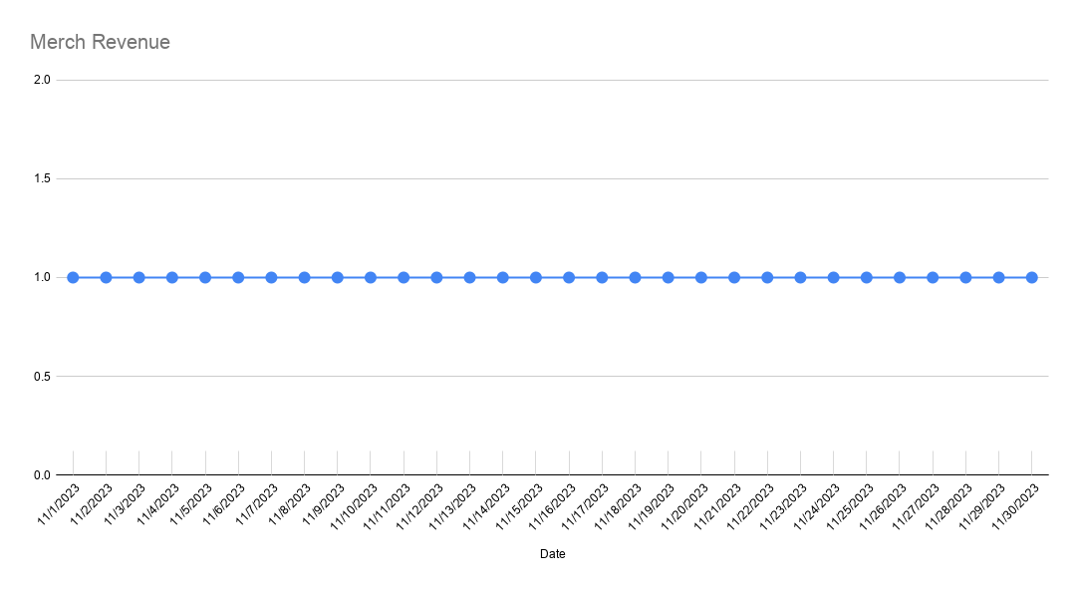
2023-11-01 | 11/1/2023 | 11/2/2023 | 11/3/2023 | 11/4/2023 | 11/5/2023 | 11/6/2023 | 11/7/2023 | 11/8/2023 | 11/9/2023 | 11/10/2023 | 11/11/2023 | 11/12/2023 | 11/13/2023 | 11/14/2023 | 11/15/2023 | 11/16/2023 | 11/17/2023 | 11/18/2023 | 11/19/2023 | 11/20/2023 | 11/21/2023 | 11/22/2023 | 11/23/2023 | 11/24/2023 | 11/25/2023 | 11/26/2023 | 11/27/2023 | 11/28/2023 | 11/29/2023 | 11/30/2023
 | WED | THU | FRI | SAT | SUN | MON | TUE | WED | THU | FRI | SAT | SUN | MON | TUE | WED | THU | FRI | SAT | SUN | MON | TUE | WED | THU | FRI | SAT | SUN | MON | TUE | WED | THU
Weekend Work | Peco |  |  | Peco | Peco |  |  |  |  |  | Peter | Peter |  |  |  |  |  | Peco | Peco |  |  |  |  |  | Peco | Peco
Notes | Halloween Sale - MAP |  |  |  |  |  |  |  |  |  |  |  | Fake Orders |  |  |  |  |  |  |  |  |  |  | Accounts hacked
 |  | 3in1 Launch |  |  |  |  | Early Black Friday - MAP |  |  | Black Friday Lowest Price Ever communication
 |  |  |  |  |  |  |  | BB US Unit Shipping $15 | Merch Launch |  | Published in WSJ |  |  |  |  |  |  |  |  |  |  | BF Email |  | D-Day | Fresh ad account | Main ad account restored | Amazon out of stock | Full Pricing is back at 14.00

DTC Revenue | $105,020.72 | $113,953.50 | $112,373.95 | $122,012.63 | $137,621.08 | $129,947.16 | $119,378.74 | $123,374.05 | $128,107.05 | $125,767.15 | $165,764.54 | $163,580.76 | $139,679.41 | $146,242.75 | $138,299.56 | $124,866.00 | $132,032.76 | $173,798.84 | $178,809.93 | $189,422.75 | $192,933.07 | $283,585.27 | $337,982.12 | $931,331.57 | $576,853.70 | $430,623.37 | $664,884.74 | $471,886.67 | $100,905.21 | $92,277.49
Amazon Revenue | $12,580.00 | $10,507.85 | $15,542.85 | $17,880.00 | $19,835.85 | $16,025.00 | $13,308.85 | $15,064.85 | $32,012.00 | $33,438.00 | $49,243.85 | $48,555.00 | $43,877.00 | $47,077.85 | $38,422.39 | $41,146.20 | $50,427.67 | $57,317.48 | $39,753.74 | $103,621.99 | $104,751.99 | $116,035.00 | $186,615.00 | $695,815.96 | $242,095.00 | $236,839.00 | $4,274.81 | $55.00 | $0.00 | $507.00
App Revenue | $484.00 | $948.00 | $773.00 | $2,222.00 | $1,645.00 | $1,036.00 | $1,064.00 | $1,122.00 | $1,527.00 | $1,485.00 | $2,049.00 | $2,438.00 | $1,340.00 | $1,208.00 | $1,240.00 | $1,301.00 | $1,475.00 | $1,932.00 | $2,171.00 | $1,184.00 | $1,281.00 | $878.00 | $943.00 | $1,540.00 | $2,075.00 | $2,577.00 | $1,379.00 | $929.00 | $1,719.00 | $1,731.00
Rachio Revenue | $199.00 | $0.00 | $0.00 | $20,699.29 | $10,799.63 | $44,338.50 | $6,179.79 | $0.00 | $3,239.89 | $899.97 | $899.97 | $1,199.96 | $1,199.96 | $0.00 | $1,692.10 | $10,439.65 | $1,739.94 | $2,099.93 | $1,578.52 | $1,759.35 | $2,299.92 | $2,399.92 | $4,655.63 | $5,519.81 | $839.97 | $15,479.47 | $25,979.12 | $9,779.67 | $826.16 | $839.97
IndieGoGo Revenue | $408.00 | $1,017.00 | $566.00 | $497.00 | $1,505.00 | $1,195.00 | $283.00 | $1,428.00 | $319.00 | $0.00 | $1,195.00 | $487.00 | $283.00 | $487.00 | $204.00 | $283.00 | $0.00 | $0.00 | $418.00 | $991.00 | $0.00 | $1,079.00 | $0.00 | $1,876.00 | $2,104.00 | $1,053.00 | $566.00 | $378.00 | $204.00 | $487.00
Total Revenue | $118,691.72 | $126,426.35 | $129,255.80 | $163,310.92 | $171,406.56 | $192,541.66 | $140,214.38 | $140,988.90 | $165,204.94 | $161,590.12 | $219,152.36 | $216,260.72 | $186,379.37 | $195,015.60 | $179,858.05 | $178,035.85 | $185,675.37 | $235,148.25 | $222,731.19 | $296,979.09 | $301,265.98 | $403,977.19 | $530,195.75 | $1,636,083.34 | $823,967.67 | $686,571.84 | $697,083.67 | $483,028.34 | $103,654.37 | $95,842.46

B2B Revenue
- Best Buy |  |  |  |  |  | $480.00 | $420.00 | $210.00 | $1,260.00 | $7,140.00 | $5,250.00 | $6,923.00 | $4,200.00 | $5,450.00 | $3,150.00 | $1,470.00 | $4,410.00 | $2,520.00 | $6,720.00 | $4,830.00 | $3,360.00 | $7,980.00 | $11,339.00 | $32,758.00 | $10,500.00 | $10,500.00 | $60,477.00 | $42,208.00 | $43,258.00 | $54,597.00
Total Revenue |  |  |  |  |  | $480.00 | $420.00 | $210.00 | $1,260.00 | $7,140.00 | $5,250.00 | $6,923.00 | $4,200.00 | $5,450.00 | $3,150.00 | $1,470.00 | $4,410.00 | $2,520.00 | $6,720.00 | $4,830.00 | $3,360.00 | $7,980.00 | $11,339.00 | $32,758.00 | $10,500.00 | $10,500.00 | $60,477.00 | $42,208.00 | $43,258.00 | $54,597.00

App Revenue
Total Revenue | $586.52 | $979.92 | $810.88 | $2,127.91 | $1,857.65 | $1,136.35 | $967.99 | $1,326.98 | $1,417.56 | $1,543.69 | $2,063.07 | $2,569.06 | $1,204.30 | $1,257.68 | $1,331.10 | $1,201.42 | $1,553.61 | $1,849.14 | $2,309.53 | $1,225.27 | $1,265.32 | $756.84 | $1,093.06 | $1,525.92 | $2,063.42 | $2,628.21 | $1,318.45 | $1,235.71 | $1,478.12 | $1,707.57

DTC Orders | 446 | 526 | 509 | 529 | 596 | 570 | 516 | 526 | 561 | 554 | 684 | 663 | 542 | 623 | 582 | 544 | 578 | 728 | 751 | 785 | 822 | 1,217 | 1,412 | 3,921 | 2,450 | 1,814 | 2,787 | 1,954 | 332 | 313
Amazon Orders | 49 | 41 | 55 | 65 | 73 | 57 | 48 | 66 | 119 | 118 | 177 | 175 | 152 | 168 | 189 | 204 | 243 | 282 | 197 | 509 | 521 | 579 | 953 | 3,488 | 1,165 | 1,099 | 19 | 1 | 0 | 3
App Orders | 19 | 32 | 25 | 79 | 64 | 41 | 37 | 39 | 50 | 57 | 78 | 90 | 46 | 44 | 41 | 46 | 53 | 72 | 79 | 40 | 50 | 32 | 39 | 62 | 79 | 85 | 48 | 34 | 56 | 59
Rachio Orders | 1 | 0 | 0 | 70 | 35 | 150 | 21 | 0 | 9 | 3 | 3 | 4 | 4 | 0 | 7 | 35 | 6 | 7 | 7 | 8 | 10 | 8 | 15 | 18 | 3 | 52 | 87 | 33 | 4 | 3
IndieGoGo Orders | 2 | 1 | 2 | 1 | 2 | 3 | 1 | 4 | 1 | 0 | 3 | 2 | 1 | 2 | 1 | 1 | 0 | 0 | 2 | 2 | 0 | 4 | 0 | 6 | 6 | 4 | 2 | 1 | 1 | 2
Total Orders | 498 | 568 | 566 | 665 | 706 | 780 | 586 | 596 | 690 | 675 | 867 | 844 | 699 | 793 | 779 | 784 | 827 | 1017 | 957 | 1304 | 1353 | 1,808 | 2,380 | 7,433 | 3,624 | 2,969 | 2,895 | 1,989 | 337 | 321

B2B Orders
- Best Buy |  |  |  |  |  | 2 | 2 | 1 | 6 | 34 | 25 | 33 | 20 | 26 | 15 | 7 | 21 | 12 | 32 | 23 | 16 | 38 | 54 | 155 | 50 | 50 | 288 | 201 | 206 | 260
Total Revenue |  |  |  |  |  | 2 | 2 | 1 | 6 | 34 | 25 | 33 | 20 | 26 | 15 | 7 | 21 | 12 | 32 | 23 | 16 | 38 | 54 | 155 | 50 | 50 | 288 | 201 | 206 | 260

App Orders
Total Orders | 30 | 42 | 40 | 89 | 81 | 57 | 54 | 69 | 65 | 63 | 80 | 102 | 52 | 56 | 56 | 55 | 60 | 76 | 89 | 49 | 53 | 40 | 47 | 67 | 95 | 120 | 60 | 65 | 68 | 83

Meta Spend | $32,270.80 | $29,009.15 | $31,375.99 | $28,062.23 | $28,128.86 | $29,578.13 | $25,668.44 | $32,604.58 | $38,104.59 | $34,229.39 | $26,717.46 | $29,868.00 | $26,716.50 | $27,787.46 | $30,344.21 | $28,152.45 | $23,954.07 | $26,180.79 | $30,123.57 | $34,139.05 | $37,577.71 | $45,135.93 | $82,938.07 | $156,667.96 | $93,782.33 | $91,456.91 | $112,718.40 | $83,839.03 | $29,510.93 | $13,568.62
Google Spend | $4,639.67 | $5,334.54 | $6,029.34 | $6,892.12 | $8,838.16 | $8,605.53 | $7,927.51 | $8,939.45 | $10,382.86 | $10,981.67 | $9,974.60 | $7,719.21 | $8,342.67 | $7,518.80 | $7,390.24 | $8,231.77 | $9,100.99 | $9,403.53 | $10,517.85 | $10,191.41 | $10,645.43 | $9,890.32 | $16,381.42 | $21,374.36 | $19,571.66 | $17,193.40 | $18,114.09 | $16,152.42 | $7,994.65 | $5,438.57
Bing Spend | $222.16 | $254.70 | $277.25 | $309.46 | $253.45 | $398.68 | $376.76 | $415.90 | $424.32 | $415.80 | $349.18 | $382.43 | $360.89 | $422.46 | $427.45 | $433.39 | $432.25 | $354.98 | $428.39 | $429.17 | $430.31 | $430.80 | $465.28 | $578.08 | $467.09 | $602.67 | $633.77 | $352.82 | $508.16 | $349.07
TikTok Spend | $0.00 | $0.00 | $0.00 | $0.00 | $0.00 | $0.00 | $0.00 | $0.00 | $0.00 | $0.00 | $0.00 | $0.00 | $0.00 | $0.00 | $159.15 | $400.43 | $189.07 | $0.00 | $0.00 | $0.00 | $0.00 | $0.00 | $0.00 | $0.00 | $0.00 | $0.00 | $0.00 | $0.00 | $0.00 | $0.00
Amazon Spend | $3,342.22 | $3,305.62 | $3,219.49 | $4,981.96 | $5,362.92 | $4,001.06 | $4,013.79 | $2,780.51 | $4,409.21 | $4,932.36 | $6,103.31 | $7,253.93 | $7,237.54 | $6,127.83 | $6,588.60 | $8,982.55 | $9,392.78 | $11,591.44 | $11,126.70 | $17,467.27 | $19,867.53 | $22,792.98 | $28,816.40 | $64,502.73 | $37,752.85 | $37,544.76 | $3,627.98 | $0.00 | $0.00 | $433.94
Nextdoor Spend | $0.00 | $0.00 | $0.00 | $0.00 | $0.00 | $0.00 | $0.00 | $0.00 | $0.00 | $0.00 | $0.00 | $0.00 | $0.00 | $0.00 | $0.00 | $0.00 | $192.23 | $303.11 | $300.88 | $660.39 | $481.73 | $187.74 | $143.11 | $57.99 | $136.47 | $705.40 | $834.58 | $0.00 | $0.00 | $0.00
IndieGoGo Spend | $0.00 | $0.00 | $0.00 | $0.00 | $0.00 | $0.00 | $0.00 | $0.00 | $0.00 | $0.00 | $0.00 | $0.00 | $0.00 | $0.00 | $0.00 | $0.00 | $0.00 | $0.00 | $0.00 | $0.00 | $0.00 | $0.00 | $0.00 | $0.00 | $0.00 | $0.00 | $0.00 | $0.00 | $0.00 | $0.00
Affiliate Fees | $162.71 | $61.00 | $0.00 | $4,255.59 | $2,292.94 | $63.09 | $86.60 | $0.00 | $0.00 | $99.96 | $0.00 | $324.88 | $97.43 | $100.64 | $55.28 | $0.00 | $105.32 | $0.00 | $0.00 | $0.00 | $32.38 | $105.60 | $266.90 | $94.59 | $123.15 | $106.16 | $497.95 | $377.37 | $68.60 | $13.60
Rachio Fees | $39.80 | $0.00 | $0.00 | $4,139.86 | $2,159.93 | $8,867.70 | $1,235.96 | $0.00 | $647.98 | $179.99 | $179.99 | $239.99 | $239.99 | $0.00 | $338.42 | $2,087.93 | $347.99 | $419.99 | $315.70 | $351.87 | $459.98 | $479.98 | $931.13 | $1,103.96 | $167.99 | $3,095.89 | $5,195.82 | $1,955.93 | $165.23 | $167.99
Total DTC Spend | $37,295.34 | $34,659.39 | $37,682.58 | $39,519.40 | $39,513.41 | $38,645.43 | $34,059.31 | $41,959.93 | $48,911.77 | $45,726.82 | $37,041.24 | $38,294.52 | $35,517.49 | $35,829.36 | $38,376.33 | $37,218.04 | $33,973.93 | $36,242.41 | $41,370.69 | $45,420.02 | $49,167.56 | $55,750.39 | $100,194.78 | $178,772.98 | $114,080.70 | $110,064.54 | $132,798.79 | $100,721.64 | $38,082.34 | $19,369.86
Total Spend | $40,677.36 | $37,965.01 | $40,902.07 | $48,641.22 | $47,036.25 | $51,514.19 | $39,309.06 | $44,740.44 | $53,968.96 | $50,839.17 | $43,324.54 | $45,788.44 | $42,995.02 | $41,957.19 | $45,303.35 | $48,288.52 | $43,714.70 | $48,253.84 | $52,813.09 | $63,239.16 | $69,495.07 | $79,023.35 | $129,942.31 | $244,379.67 | $152,001.54 | $150,705.19 | $141,622.59 | $102,677.57 | $38,247.57 | $19,971.79

Blended ROAS | 2.92 | 3.33 | 3.16 | 3.36 | 3.64 | 3.74 | 3.57 | 3.15 | 3.06 | 3.18 | 5.06 | 4.72 | 4.33 | 4.65 | 3.97 | 3.69 | 4.25 | 4.87 | 4.22 | 4.70 | 4.34 | 5.11 | 4.08 | 6.69 | 5.42 | 4.56 | 4.92 | 4.70 | 2.71 | 4.80
wROAS | 2.82 | 3.29 | 2.98 | 3.09 | 3.48 | 3.36 | 3.51 | 2.94 | 2.62 | 2.75 | 4.48 | 4.27 | 3.93 | 4.08 | 3.60 | 3.35 | 3.89 | 4.80 | 4.32 | 4.17 | 3.92 | 5.09 | 3.37 | 5.21 | 5.06 | 3.91 | 5.01 | 4.69 | 2.65 | 4.76
aROAS | 3.76 | 3.18 | 4.83 | 3.59 | 3.70 | 4.01 | 3.32 | 5.42 | 7.26 | 6.78 | 8.07 | 6.69 | 6.06 | 7.68 | 5.83 | 4.58 | 5.37 | 4.94 | 3.57 | 5.93 | 5.27 | 5.09 | 6.48 | 10.79 | 6.41 | 6.31 | 1.18 | #DIV/0! | #DIV/0! | 1.17

Blended CAC | $81.68 | $66.84 | $72.27 | $73.14 | $66.62 | $66.04 | $67.08 | $75.07 | $78.22 | $75.32 | $49.97 | $54.25 | $61.51 | $52.91 | $58.16 | $61.59 | $52.86 | $47.45 | $55.19 | $48.50 | $51.36 | $43.71 | $54.60 | $32.88 | $41.94 | $50.76 | $48.92 | $51.62 | $113.49 | $62.22
wCAC | $83.62 | $65.89 | $74.03 | $74.71 | $66.30 | $67.80 | $66.01 | $79.77 | $87.19 | $82.54 | $54.15 | $57.76 | $65.53 | $57.51 | $65.94 | $68.42 | $58.78 | $49.78 | $55.09 | $57.86 | $59.81 | $45.81 | $70.96 | $45.59 | $46.56 | $60.68 | $47.65 | $51.55 | $114.71 | $61.88
aCAC | $68.21 | $80.62 | $58.54 | $76.65 | $73.46 | $70.19 | $83.62 | $42.13 | $37.05 | $41.80 | $34.48 | $41.45 | $47.62 | $36.48 | $34.86 | $44.03 | $38.65 | $41.10 | $56.48 | $34.32 | $38.13 | $39.37 | $30.24 | $18.49 | $32.41 | $34.16 | $190.95 | $0.00 | #DIV/0! | $144.65

Web CR | 2.40% | 2.72% | 2.43% | 2.42% | 2.23% | 2.00% | 2.09% | 1.76% | 1.85% | 1.95% | 2.56% | 2.35% | 2.21% | 2.33% | 3.02% | 2.28% | 2.62% | 2.94% | 2.71% | 2.86% | 2.62% | 2.73% | 2.49% | 4.10% | 4.98% | 3.10% | 5.57% | 4.37% | 1.02% | 1.44%
Web AOV | $235.47 | $216.64 | $220.77 | $230.65 | $230.91 | $227.98 | $231.35 | $234.55 | $228.35 | $227.02 | $242.35 | $246.73 | $257.71 | $234.74 | $237.63 | $229.53 | $228.43 | $238.73 | $238.10 | $241.30 | $234.71 | $233.02 | $239.36 | $237.52 | $235.45 | $237.39 | $238.57 | $241.50 | $303.93 | $294.82
fAOV | $206.32 | $189.80 | $194.25 | $203.72 | $202.65 | $201.03 | $204.17 | $204.79 | $201.84 | $204.90 | $216.59 | $190.66 | $205.01 | $207.14 | $206.85 | $203.74 | $203.74 | $206.17 | $210.40 | $213.25 | $209.43 | $207.85 | $211.52 | $209.55 | $207.39 | $208.64 | $210.78 | $214.22 | $273.98 | $269.23
rAOV | $90.28 | $73.06 | $130.77 | $137.43 | $123.96 | $97.60 | $167.67 | $167.00 | $167.11 | $74.37 | $152.95 | $119.71 | $208.50 | $127.93 | $84.82 | $116.73 | $123.19 | $175.24 | $160.23 | $161.87 | $125.88 | $164.39 | $175.40 | $179.69 | $183.61 | $196.62 | $170.70 | $161.53 | $256.72 | $138.95

Customers
Returning | 3.59% | 6.65% | 5.88% | 5.29% | 3.86% | 4.39% | 4.65% | 6.84% | 6.60% | 4.33% | 5.41% | 3.17% | 6.27% | 2.41% | 2.92% | 3.49% | 4.50% | 3.43% | 3.46% | 3.82% | 3.89% | 6.90% | 4.39% | 4.05% | 4.08% | 3.69% | 3.59% | 3.28% | 6.33% | 4.79%
First-time | 96.41% | 93.35% | 94.12% | 94.71% | 96.14% | 95.61% | 95.35% | 93.16% | 93.40% | 95.67% | 94.59% | 96.83% | 93.73% | 97.59% | 97.08% | 96.51% | 95.50% | 96.57% | 96.54% | 96.18% | 96.11% | 93.10% | 95.61% | 95.95% | 95.92% | 96.31% | 96.41% | 96.72% | 93.67% | 95.21%

 | 2023-11-01 | Goal | % of Goal
Revenue | $9,386,537.81 | $3,000,000 | 312.88%
Spend | $2,059,338.26 | $600,000 | 343.22%
ROAS | 4.56 | 5.00 | 91.16%
CAC | $51.09
CR | 2.67%
AOV | $232.86
fAOV | $209.99
rAOV | $147.13
Orders | 40,310
Units Sold | 38,475 | 12500 | 307.80%
CAC per Unit | $53.52
First-time customers | 95.47%
Returning customers | 4.53%

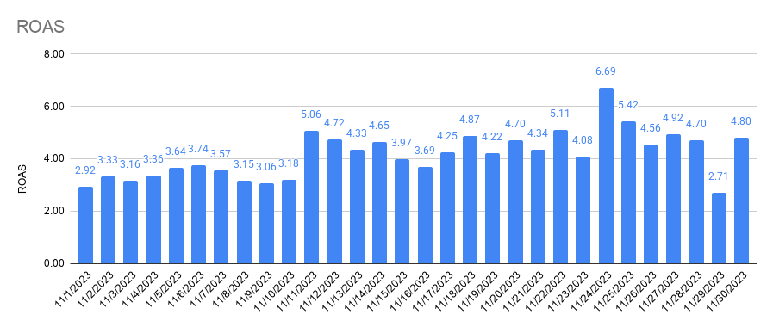
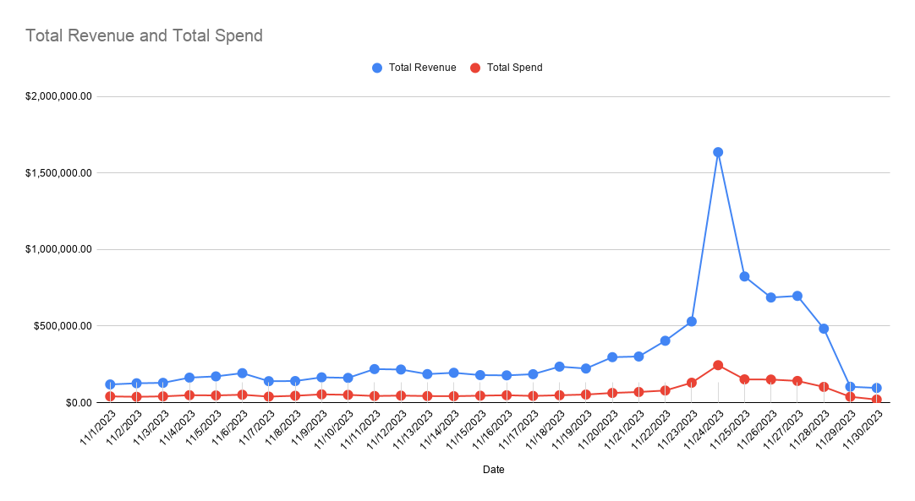

Total Revenue and Total Spend

D2C Performance

Returning and First-time Customers

Amazon Performance

